Sheet1
Product |  | product name | description | dimesion | material
 | DONE
 | DONE
 |  | HERRINGBONE SNAKE CHAIN NECKLACE | This stylish necklace features a classic herringbone design with a fluid, flat snake chain that rests smoothly against the skin. It delivers a sleek, liquid-gold aesthetic that reflects light beautifully for an effortless touch of modern luxury. Crafted from high-quality stainless steel, it is fully waterproof, hypoallergenic, and won't tarnish, making it an essential foundation piece for a comfortable all-day neck stack or a bold solo statement. | Chain Length: 38.0 cm + 5.0 cm extension (14.96 in + 1.96 in extension) Chain Width: 0.31 cm (0.12 in) Net Quantity: 1 Piece Total Weight: 5.7g | Base Metal: Stainless Steel Plating: 18K Gold PVD finish
 |  | DOUBLE LAYER BALL CHAIN NECKLACE | This stylish necklace features a pre-layered double chain design crafted with high-shine gold beads. The inner layer features smaller, delicate metal spheres, while the outer layer showcases larger, bold statement beads to create a beautifully balanced, graduated effect. Made from high-quality stainless steel, this piece is fully waterproof, hypoallergenic, and won't tarnish, offering an effortless way to achieve a curated, stacked look with a single clasp. | Inner Chain (1) Length: 38.0 cm + 5.0 cm extension Outer Chain (2) Length: 41.0 cm + 5.0 cm extension Outer Bead Diameter: 0.58 cm Net Quantity: 1 Piece Total Weight: 21.6g | Base Metal: Stainless Steel Plating: 18K Gold PVD finish
 |  | CLASSIC ROPE CHAIN NECKLACE | This stylish necklace features a timeless rope chain design with tightly interwoven links that create a beautiful twisted, braided texture. It delivers a classic aesthetic that catches the light from all angles, making it a perfect everyday piece. Crafted from high-quality stainless steel, it is fully waterproof, hypoallergenic, and won't tarnish, serving as an essential foundation for a comfortable neck stack or for pairing with your favorite pendant. | Chain Length: 44.0 cm + 5.0 cm extension (440+50mm) Chain Width: 0.22 cm (2.2mm) Net Quantity: 1 Piece Total Weight: 5.86g | Base Metal: Stainless Steel Plating: 18K Gold PVD finish

 |  | MINIMALIST TEXTURED CHAIN NECKLACE | This stylish necklace features a classic, dainty chain design crafted with finely detailed, textured metal links. It delivers a delicate, shimmering aesthetic that catches the light gracefully, making it an essential layer for any neck stack. Crafted from high-quality stainless steel, it is fully waterproof, hypoallergenic, and won't tarnish, providing a durable foundation for secure and comfortable all-day wear. | Chain Length: 40.0 cm + 5.0 cm extension (15.74 in + 1.96 in extension) Chain Width: 0.24 cm (0.09 in) Net Quantity: 1 Piece Total Weight: 3.7g | Base Metal: Stainless Steel Plating: 18K Gold PVD finish
 | done | Sparkle Huggie Earrings | These stylish huggie hoop earrings featured in offer a vibrant pop of color for your everyday jewelry collection. Each hoop is lined along the front with a channel-set row of brilliant round-cut sapphire-blue crystals, beautifully contrasted against a high-shine gold finish. Made from high-quality stainless steel, they are fully waterproof, hypoallergenic, and won't tarnish, making them perfect for effortless multi-piercing stacks or wearing solo. | Base Metal: Stainless Steel Plating: Gold PVD finish Stone: High-quality Cubic Zirconia (CZ) | Outer Diameter: 1.10 cm (0.43 in) Inner Diameter: 0.82 cm (0.32 in) Band Width: 0.19 cm (0.07 in) Net Quantity: 1 Pair of Earrings Total Weight: 1.4g (0.04oz)

 |  | BAR & LINK CHAIN NECKLACE | This stylish necklace features an ultra-fine, dainty chain accented with alternating sleek metallic bars and delicate twisted links. The minimalist structure delivers a refined, glittering aesthetic that effortlessly catches the light, making it a perfect delicate standalone piece or an ideal foundation layer for a multi-chain neck stack. Crafted from high-quality stainless steel, it is fully waterproof, hypoallergenic, and won't tarnish, ensuring comfortable and secure all-day wear. | Chain Length: 40.0 cm + 5.0 cm extension (15.74 in + 1.96 in extension) Chain Width: 0.09 cm (0.03 in) Net Quantity: 1 Piece Total Weight: 2.8g | Base Metal: Stainless Steel Plating: 18K Gold PVD finish

 |  | CRYSTAL DROP TENNIS CHOKER NECKLACE | This stylish choker necklace features a glamorous twist on a classic design, showcasing a continuous strand of brilliant square-cut crystals that catch the light beautifully. The front of the necklace is enhanced with alternating, dangling marquise-cut crystal droplets that create a stunning, fringe-like statement look. Crafted from high-quality stainless steel with a polished gold finish, it is fully waterproof, hypoallergenic, and won't tarnish, making it the perfect choice for adding effortless evening sparkle or an elevated layer to your neck stack. | Jewelry Type: Choker Necklace Chain Length: 40.0 cm + 5.0 cm extension (15.74 in + 1.96 in extension) Drop Detail Length: 0.73 cm (0.28 in) Net Quantity: 1 Piece Total Weight: 11.2g (0.40oz) | Base Metal: Stainless Steel Plating: 18K Gold PVD finish Stone: High-quality Cubic Zirconia (CZ)
 |  | NATURE & FANTASY ADJUSTABLE OPEN RING COLLECTION | This stylish open ring collection features an enchanting mix of organic, nature-inspired elements and whimsical fantasy designs. The collection showcases three distinct styles: a textured tree branch or coral formation adorned with delicate pearls, a dramatic butterfly wing and four-point star combination encrusted with sparkling crystals, and an elegant combination of a large oval-cut brilliant solitaire paired with a branching antler motif. Crafted from high-quality stainless steel with a high-shine gold PVD plating, these rings are fully waterproof, hypoallergenic, and won't tarnish. Their adjustable open-band style makes them perfect for comfortable all-day wear and versatile styling across different fingers. | as per the attached image | Base Metal: Stainless Steel Plating: Gold PVD finish Stones: High-quality Cubic Zirconia (CZ) and Simulated Pearls

 | DONE | Knot Hoop Earrings | Elevate your everyday style with the Celeste Knot Hoop Earrings, featuring a sleek gold-tone hoop adorned with sparkling cubic zirconia accents and a graceful knot charm with a dangling bezel-set crystal. Crafted from premium stainless steel with luxurious 18K Gold PVD plating, these earrings are waterproof, hypoallergenic, and tarnish-resistant—perfect for effortless elegance from day to night. | Hoop Diameter: 1.01 cm (10.1 mm) Hoop Width: 0.20 cm (2.0 mm) Drop Length: 0.97 cm (9.7 mm) Dangling Stone Diameter: 0.37 cm (3.7 mm) Weight: Approx. 3.1 g (Pair) | Stone: High-Quality Cubic Zirconia (CZ)
 | DONE
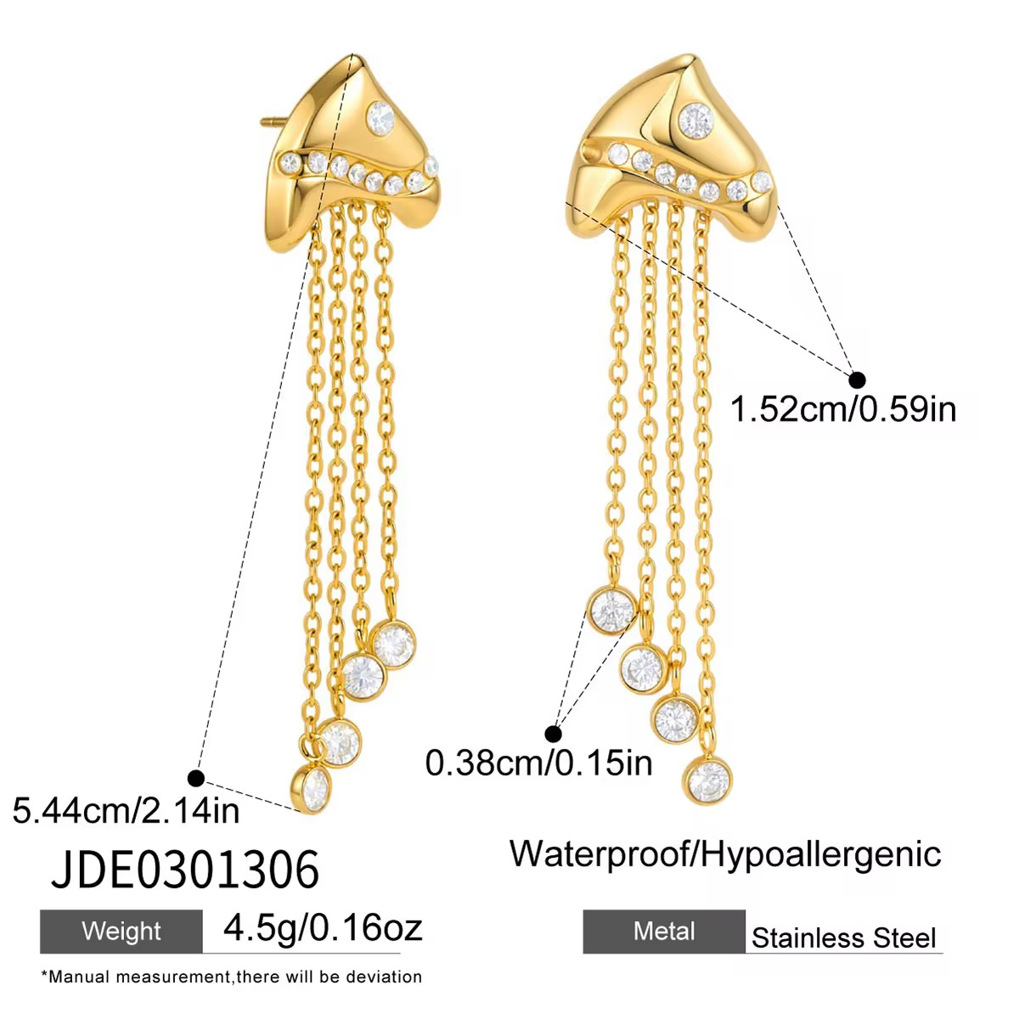 |  | Celeste Cascade Tassel Earrings | Make a bold statement with the Celeste Cascade Tassel Earrings. Designed with a contemporary sculptural stud accented by sparkling Cubic Zirconia and finished with elegant cascading chains, these earrings blend modern luxury with timeless sophistication. Crafted from stainless steel with an 18K Gold PVD finish, they are waterproof, tarnish-resistant, and hypoallergenic—perfect for both everyday glamour and special occasions. | Overall Length: 5.44 cm (2.14 in) Stud Width: 1.52 cm (0.59 in) Stone Diameter: 0.38 cm (0.15 in) Weight: 4.5 g (Pair) | Base Metal: Premium 316L Stainless Steel Plating: 18K Gold PVD Coating Stone: High-quality Cubic Zirconia (CZ)
 | DONE | Aurora Trio Drop Earrings | Add a touch of refined sparkle with the Aurora Trio Drop Earrings by Moraa by Trivani. Featuring three brilliant round-cut Cubic Zirconia stones gracefully linked in a delicate drop design, these earrings offer effortless elegance for both everyday wear and special occasions. Crafted from premium 316L stainless steel with an 18K Gold PVD finish, they are waterproof, tarnish-resistant, and hypoallergenic for lasting beauty and comfort. | Overall Length: 1.67 cm (0.65 in) Top Stone Diameter: 0.50 cm (0.19 in) Center Stone Diameter: 0.35 cm (0.14 in) Bottom Stone Diameter: 0.50 cm (0.19 in) Top Stud Width: 1.11 cm (0.43 in) Weight: 2.6 g (Pair) | Base Metal: Stainless Steel Plating: 18K Gold PVD finish Stone: High-quality Cubic Zirconia (CZ)
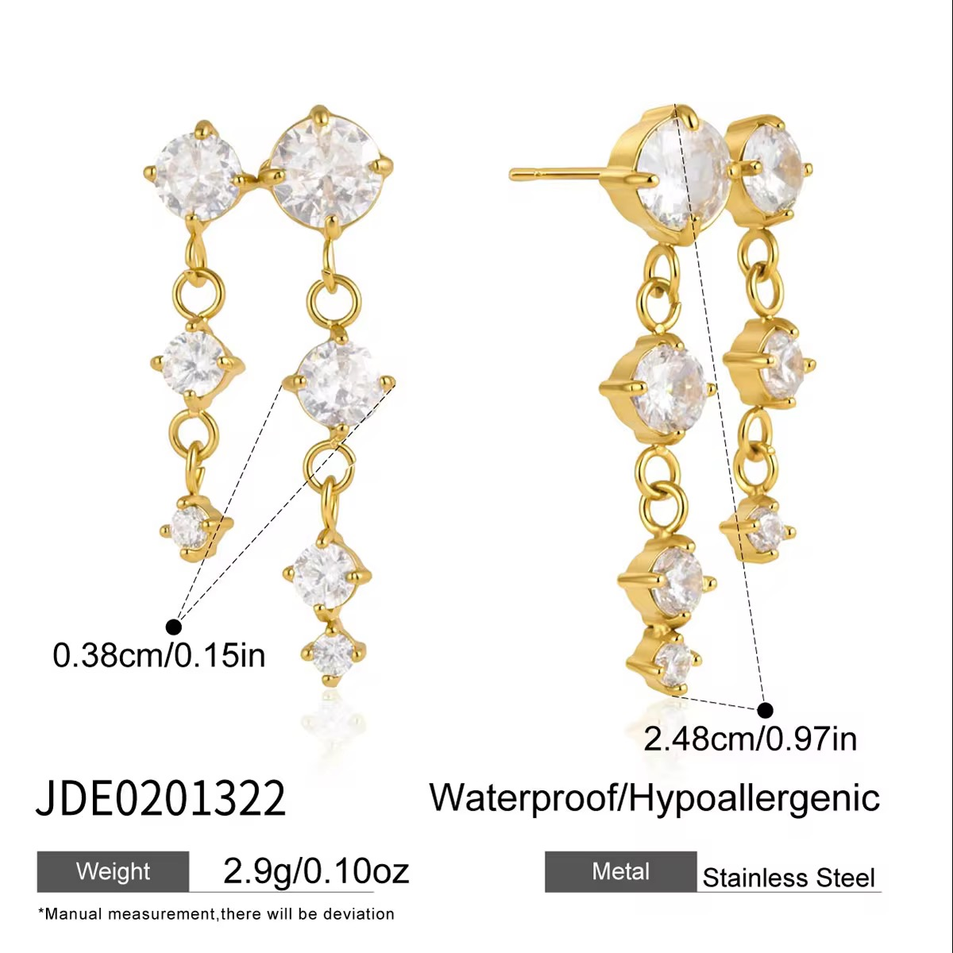 | DONE | Cascade Crystal Drop Earrings | Grace your look with the timeless brilliance of the Aurora Cascade Crystal Drop Earrings. Designed with a cascading arrangement of round-cut cubic zirconia stones, these elegant drop earrings create a delicate movement and exceptional sparkle. Crafted from premium stainless steel with luxurious 18K Gold PVD plating, they are waterproof, tarnish-resistant, and hypoallergenic—making them perfect for everyday elegance, festive occasions, and evening wear. | Total Length: 2.48 cm (24.8 mm) Smallest Stone Diameter: 0.38 cm (3.8 mm) Weight: Approx. 2.9 g (Pair) | Material: Stainless Steel Plating: 18K Gold PVD finish Stone: High-Quality Cubic Zirconia (CZ) Stone Shape: Round Brilliant Cut
 | DONE | Cascade Drop Earrings | Shine with effortless elegance in the Aurora Cascade Drop Earrings. Designed with three brilliant round-cut cubic zirconia stones in a graceful vertical drop, these earrings create a timeless silhouette that sparkles from every angle. Crafted from premium stainless steel with luxurious 18K Gold PVD plating, they are waterproof, tarnish-resistant, and hypoallergenic—perfect for both everyday sophistication and special occasions. | Total Length: 2.33 cm (23.3 mm) Largest Stone Diameter: 0.57 cm (5.7 mm) Weight: Approx. 2.2 g (Pair) | Material: Stainless Steel Plating: 18K Gold PVD finish Stone: High-Quality Cubic Zirconia (CZ) Stone Shape: Round Brilliant Cut
 | DONE | Double Chain Ear Cuff Earrings | Make a statement with the Celeste Double Chain Ear Cuff Earrings, a modern blend of elegance and edge. Designed with a sparkling floral crystal stud connected to a solitaire crystal by two delicate chains, these earrings create the stylish illusion of multiple piercings. Crafted from premium stainless steel with luxurious 18K Gold PVD plating, they are waterproof, tarnish-resistant, and hypoallergenic—perfect for everyday wear and special occasions. | Chain Length: 7.15 cm (71.5 mm) Floral Stud Size: 0.62 cm (6.2 mm) Weight: Approx. 1.8 g (Pair) | Material: Stainless Steel Plating: 18K Gold PVD finish Stone: High-Quality Cubic Zirconia (CZ) Stone Shape: Round Brilliant Cut
 | DONE | TWO-TONE MIXED CHAIN CHARM BRACELET | This stylish bracelet features a cool, two-tone look by mixing a chunky silver paperclip chain with a thin gold chain. It is decorated with fun gold charms, including a puffy heart, a star, and small hanging chains that move with you. Made from high-quality stainless steel, it is fully waterproof, hypoallergenic, and won't tarnish, making it perfect for everyday wear. | Silver Chain Length: 17.0 cm (6.96 in) Gold Chain Length: 17.5 cm + 5.0 cm extender (6.88 in + 1.96 in) Heart Charm Size: 1.37 cm (0.54 in) Net Quantity: 1 Bracelet Total Weight: 11.0 g | Base Metal: Stainless Steel Plating: 18K Gold PVD finish & Polished Silver finish
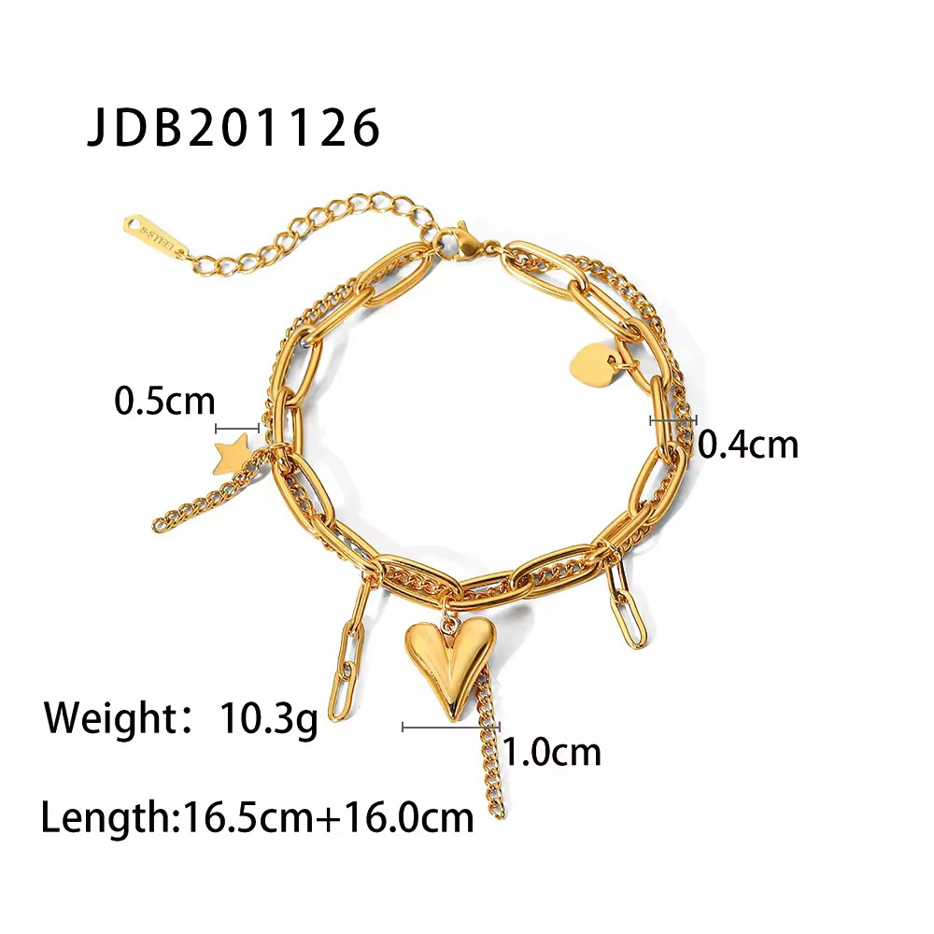 | DONE | GOLD MIXED CHAIN CHARM BRACELET | This stylish bracelet featured in 85.avif features a cool, layered look by mixing a chunky gold paperclip chain with a thin gold curb chain. It is decorated with fun gold charms, including a puffy heart, a star, and small hanging chains that move with you. Made from high-quality stainless steel, it is fully waterproof, hypoallergenic, and won't tarnish, making it perfect for everyday wear. | Bracelet Length: 16.5 cm + 16.0 cm extender Paperclip Chain Width: 0.5 cm Curb Chain Width: 0.4 cm Heart Charm Size: 1.0 cm Net Quantity: 1 Bracelet Total Weight: 10.3 g | Base Metal: Stainless Steel Plating: 18K Gold PVD finish
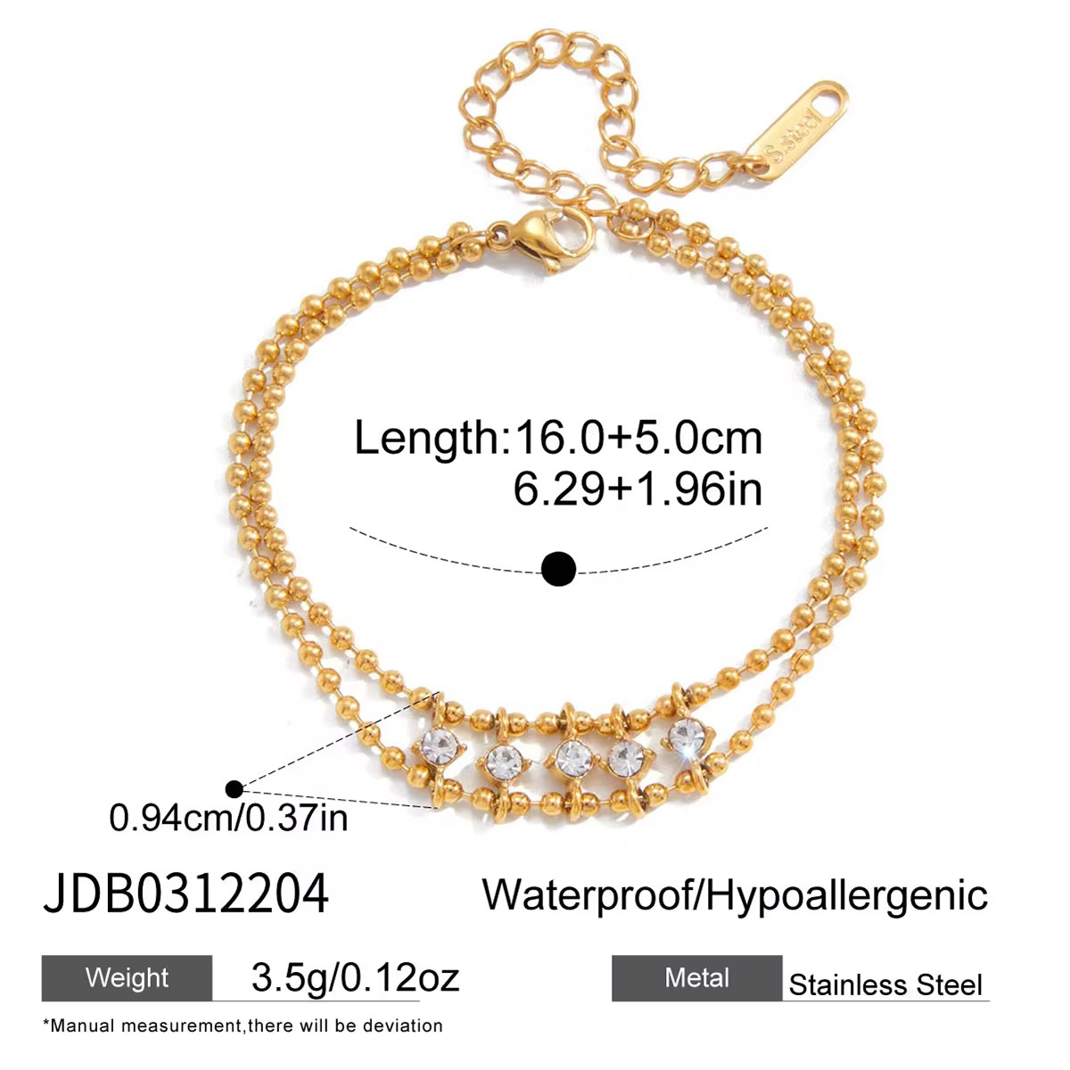 |  | DOUBLE LAYER BALL CHAIN BRACELET | This stylish bracelet features a pre-layered double strand design crafted with high-shine gold ball chains. The centerpiece showcases five evenly spaced, brilliant round-cut cubic zirconia crystals that connect the layers together, adding a delicate touch of luxury and sparkle to your wrist. Crafted from high-quality stainless steel, this piece is fully waterproof, hypoallergenic, and won't tarnish, making it an effortless way to achieve a stacked look with a single clasp. | Chain Length: 16.0 cm + 5.0 cm extension (6.29 in + 1.96 in extension) CZ Detail Width: 0.94 cm (0.37 in) Net Quantity: 1 Piece Total Weight: 3.5g (0.12oz) | Base Metal: Stainless Steel Plating: 18K Gold PVD finish Stone: High-quality Cubic Zirconia (CZ)
 |  | SOLITAIRE WHEAT CHAIN BRACELET | This stylish bracelet features a tightly woven wheat chain configuration that offers a beautifully textured and flexible drape around the wrist. The focal point is a single, brilliant round-cut cubic zirconia solitaire stone securely set in a classic prong basket to deliver an elegant punch of timeless sparkle. Crafted from high-quality stainless steel, it is fully waterproof, hypoallergenic, and won't tarnish, serving as a perfect everyday staple or layering piece. | Chain Length: 16.5 cm + 5.0 cm extension (6.49 in + 1.96 in extension) Chain Width: 0.28 cm (0.11 in) Solitaire CZ Diameter: 0.48 cm (0.19 in) Net Quantity: 1 Piece Total Weight: 5.5g (0.19oz) | Base Metal: Stainless Steel Plating: 18K Gold PVD finish Stone: High-quality Cubic Zirconia (CZ)
 | DONE | GOLD HEART BRACELET | This lovely bracelet features a dainty, romantic look with a continuous strand of tiny, polished gold heart links connected together. It comes with an adjustable extender chain for a perfect fit and is crafted to be fully waterproof, hypoallergenic, and tarnish-resistant, making it a perfect sweet accent for your everyday style. | Bracelet Length: 16.5 cm + 5.0 cm extender (6.49 in + 1.96 in) Net Quantity: 1 Bracelet Total Weight: 2.95 g | Base Metal: Stainless Steel Plating: 18K Gold PVD finish
 | DONE | MINIMALIST HIGH-SHINE BANGLE BRACELET | This stylish bangle features a sleek, minimalist design with a polished, high-shine gold finish. Its clean lines and smooth, flat surface create a timeless, modern aesthetic that effortlessly elevates any look. Crafted from high-quality stainless steel, it is fully waterproof, hypoallergenic, and won't tarnish, featuring a secure hinge clasp for comfortable, all-day wear. | Inner Diameter (Length): 6.0 cm (2.36 in) Inner Width: 5.0 cm (1.96 in) Bangle Band Width: 0.40 cm (0.15 in) Net Quantity: 1 Piece Total Weight: 15.4g | Base Metal: Stainless Steel Plating: 18K Gold PVD finish
 | DONE | PASTEL CRYSTAL DOUBLE LAYER CHAIN BRACELET | This stylish bracelet features a pre-layered double strand design with two dainty, matching cable chains. The piece is beautifully accented with an array of alternating bezel-set crystals in romantic heart and teardrop shapes, featuring a soft mix of clear and pastel pink hues. Crafted from high-quality stainless steel, it is fully waterproof, hypoallergenic, and won't tarnish, providing a delicate stacked look with a single clasp. | Chain Length: 16.0 cm + 5.0 cm extension (6.29 in + 1.96 in extension) Crystal Charm Width: 0.56 cm (0.22 in) Net Quantity: 1 Piece Total Weight: 3.6g (0.12oz) | Base Metal: Stainless Steel Plating: 18K Gold PVD finish Stone: High-quality Cubic Zirconia (CZ)
 | DONE | Charm Chain Ring | Add a touch of elegance to your jewelry collection with the Aurora Charm Chain Ring. This contemporary open-circle ring is beautifully accented with a delicate draped chain adorned with radiant emerald-cut and pear-cut cubic zirconia charms. Crafted from premium stainless steel with luxurious 18K Gold PVD plating, this statement ring is waterproof, tarnish-resistant, and hypoallergenic—perfect for elevating both everyday and occasion wear. | Ring Diameter: 1.73 cm (17.3 mm) Overall Length (with Chain): 10.45 cm (104.5 mm) Largest Charm Size: 0.96 cm (9.6 mm) Weight: Approx. 4.7 g | Material: Stainless Steel Plating: 18K Gold PVD finish Stone: High-Quality Cubic Zirconia (CZ) Stone Shapes: Emerald Cut & Pear Cut
 | DONE | ABSTRACT RIBBED STATEMENT RING | This bold statement ring features an eye-catching, abstract architectural design. The top section showcases a chunky, dome-like silhouette with elegant vertical ribbed texture reminiscent of a croissant, beautifully paired with a smooth, sweeping asymmetrical band. Crafted from high-quality stainless steel with a polished gold finish, it offers a dramatic, high-fashion statement piece that commands attention on any finger. | Ring Size: US 7 Total Height: 2.32 cm Total Weight: 10.95g | Base Metal: Stainless Steel Plating: 18K Gold PVD finish
 | DONE | LEAF RING | Embrace a tropical, nature-inspired aesthetic with this stunning monstera palm leaf open ring. The highly-detailed, split-leaf design wraps beautifully around the finger, catching the light across its high-shine, smooth surfaces. Crafted from high-quality stainless steel, it is fully waterproof, hypoallergenic, and won't tarnish. Its open-band style allows you to adjust the fit easily across different fingers for ultimate styling versatility. | Ring Size: Adjustable Inner Diameter: 1.64 cm Leaf Motif Width: 1.91 cm Total Weight: 8.4g
 | DONE | CHUNKY MOLTEN LIQUID ADJUSTABLE RING | This statement-making open ring features an ultra-modern, organic texture inspired by molten liquid gold. Its irregular wavy surface and bold, chunky dome silhouette reflect light beautifully, creating a dynamic, high-shine aesthetic. Crafted from high-quality stainless steel, this piece is fully waterproof, hypoallergenic, and won't tarnish, while the open back ensures a comfortable, adjustable fit. | Ring Size: Adjustable Inner Diameter: 1.78 cm Band Front Width: 2.0 cm Total Weight: 8.1g
 | DONE | HAMMERED TAPERED BAND RING | This striking statement ring features a wide, dramatic cigar-band style that tapers gently toward the back for a comfortable fit. The wide front surface is adorned with an all-over hammered indentation pattern that catches and scatters light for a vintage, artisanal glint. Crafted from high-quality stainless steel, it is fully waterproof, hypoallergenic, and won't tarnish. | Ring Size Options: Band Front Height: 1.9 cm Total Weight: 9.9g
 | DONE | MULTI-LAYER CROSS ADJUSTABLE RING | Achieve the look of a perfectly curated ring stack with this effortless multi-layer statement piece. The open ring features several thin, polished gold bands intricately interwoven into an airy, structural cage design. Crafted from high-quality stainless steel, it is fully waterproof, hypoallergenic, and won't tarnish, while its flexible back ensures an adjustable, perfect fit. | Ring Size: Adjustable Inner Diameter: 1.76 cm Total Band Height: 1.46 cm Total Weight: 3.25g
 | DONE | DRIPPING DRIP RING | This edgy and artistic open ring features an avant-garde dripping or melting metal design. The irregular, vertical organic tendrils create a bold, Crown-like silhouette around the finger with a polished liquid-gold finish. Crafted from high-quality stainless steel, this statement piece is fully waterproof, hypoallergenic, and won't tarnish. Its adjustable open back allows for easy resizing and multi-finger styling. | Ring Size: Adjustable Inner Diameter: 1.88 cm (0.74 in) Band Front Height: 1.72 cm (0.67 in) Total Weight: 5.0g
 | DONE | PEAR OPEN CHOKER NECKLACE | This stylish choker necklace avif features a minimalist, open rigid-wire design that sits elegantly against the collarbone. The open ends are beautifully decorated with a graduated row of sparkling, pear-cut clear crystals that add a touch of modern brilliance to your neck stack. Made from high-quality stainless steel, it is fully waterproof, hypoallergenic, and won't tarnish, making it a perfect statement piece for comfortable all-day wear. | Choker Inner Diameter: 14.04 cm (5.53 in) Crystal Embellishment Length: 4.39 cm (1.73 in) Crystal Embellishment Width: 0.61 cm (0.24 in) Net Quantity: 1 Piece Total Weight: 10.6g (0.37oz) | Base Metal: Stainless Steel Plating: 18K Gold PVD finish Stone: High-quality Cubic Zirconia (CZ)
 | DONE | PEAR OPEN CUFF BRACELET | This stylish cuff bracelet avif features a minimalist, open rigid-band design that wraps gracefully around the wrist. Perfect for stacking or wearing solo, the open ends are decorated with cluster rows of sparkling, pear-cut clear crystals that offer a touch of refined, everyday elegance. Made from high-quality stainless steel, it is fully waterproof, hypoallergenic, and won't tarnish, ensuring a durable and comfortable fit. | Bracelet Length: 18.5 cm (7.28 in) Bracelet Inner Diameter: 6.33 cm (2.49 in) Crystal Embellishment Width: 0.48 cm (0.18 in) Net Quantity: 1 Piece Total Weight: 5.4g (0.19oz) | Base Metal: Stainless Steel Plating: 18K Gold PVD finish Stone: High-quality Cubic Zirconia (CZ)

 |  | S

 |  | TEXTURE HOOP EARRINGS | These stylish hoop earrings a modern, chunky C-shaped design with a unique grooved ridge texture running along the center. They are decorated with a sparkling row of clear crystals along the edge to add a touch of everyday shine. Made from high-quality stainless steel, they are fully waterproof, hypoallergenic, and won't tarnish, making them perfect for comfortable all-day wear. | Earring Diameter: 2.07 cm Earring Width: 0.63 cm Net Quantity: 1 Pair of Earrings Total Weight: 4.8 g | Base Metal: Stainless Steel Plating: 18K Gold PVD finish Stone: High-quality Cubic Zirconia (CZ)
 |  | SMOOTH HOOP EARRINGS | These stylish hoop earrings a modern, chunky C-shaped design with a high-shine smooth polished finish along one side. They are decorated with a sparkling row of clear crystals along the alternating edge to add a touch of everyday shine. Made from high-quality stainless steel, they are fully waterproof, hypoallergenic, and won't tarnish, making them perfect for comfortable all-day wear. | Earring Diameter: 2.06 cm Earring Width: 0.53 cm Net Quantity: 1 Pair of Earrings Total Weight: 6.8 g | Base Metal: Stainless Steel Plating: 18K Gold PVD finish Stone: High-quality Cubic Zirconia (CZ)
 |  | EMBOSSED HOOP EARRINGS | These stylish hoop earrings a modern, chunky C-shaped design with a unique embossed pebble texture covering the gold surface. They are decorated with a sparkling row of clear crystals running down the center to add a touch of everyday shine. Made from high-quality stainless steel, they are fully waterproof, hypoallergenic, and won't tarnish, making them perfect for comfortable all-day wear. | Earring Diameter: 2.06 cm Earring Width: 0.45 cm Net Quantity: 1 Pair of Earrings Total Weight: 6g
 |  | SQUARE HOOP EARRINGS | These stylish hoop earrings a modern, chunky square-shaped design with a unique ribbed croissant texture. They are decorated with dazzling rows of clear pavé crystals on alternating sides to add a touch of everyday shine. Made from high-quality stainless steel, they are fully waterproof, hypoallergenic, and won't tarnish, making them perfect for comfortable all-day wear. | Earring Diameter: 2.34 cm Earring Width: 0.52 cm Net Quantity: 1 Pair of Earrings Total Weight: 12.4g
 |  | TRIPLE BAND HOOP EARRINGS | These stylish hoop earrings a modern, multi-strand C-shaped design that creates a layered, triple-hoop look. They feature two smooth, high-shine gold bands paired with a central band decorated with a sparkling row of clear crystals. Made from high-quality stainless steel, they are fully waterproof, hypoallergenic, and won't tarnish, making them perfect for comfortable all-day wear. | Jewelry Type: Earrings Earring Width: 1.4 cm Net Quantity: 1 Pair of Earrings Total Weight: 8.8g
 |  | RIBBED HOOP EARRINGS | These stylish hoop earrings a modern, chunky C-shaped design with a unique ribbed texture running along the sides. They are decorated with a striking row of channel-set square princess-cut clear crystals down the center to add a touch of everyday shine. Made from high-quality stainless steel, they are fully waterproof, hypoallergenic, and won't tarnish, making them perfect for comfortable all-day wear. | Earring Diameter: 1.94 cm Earring Width: 0.48 cm Net Quantity: 1 Pair of Earrings Total Weight: 6.2g
 |  | TWO LAYER HOOP EARRINGS | These stylish hoop earrings a modern, split-band C-shaped design that creates a layered, double-hoop look. They feature one textured band made of a row of gold beads paired with a second band decorated with a sparkling row of clear crystals. Made from high-quality stainless steel, they are fully waterproof, hypoallergenic, and won't tarnish, making them perfect for comfortable all-day wear. | otal Earring Width: 0.9 cm Crystal Band Width: 0.3 cm Beaded Band Width: 0.28 cm Net Quantity: 1 Pair of Earrings Total Weight: 5.8g
 |  | RECTANGLE CZ HOOP EARRINGS | These stylish hoop earrings a modern, open rectangle design with smooth, rounded edges. They are decorated with a sparkling row of clear crystals running down the front edge to add a touch of everyday shine. Made from high-quality stainless steel, they are fully waterproof, hypoallergenic, and won't tarnish, making them perfect for comfortable all-day wear. | Earring Length: 2.06 cm Earring Width: 1.28 cm Band Thickness: 0.32 cm Net Quantity: 1 Pair of Earrings Total Weight: 5.2g
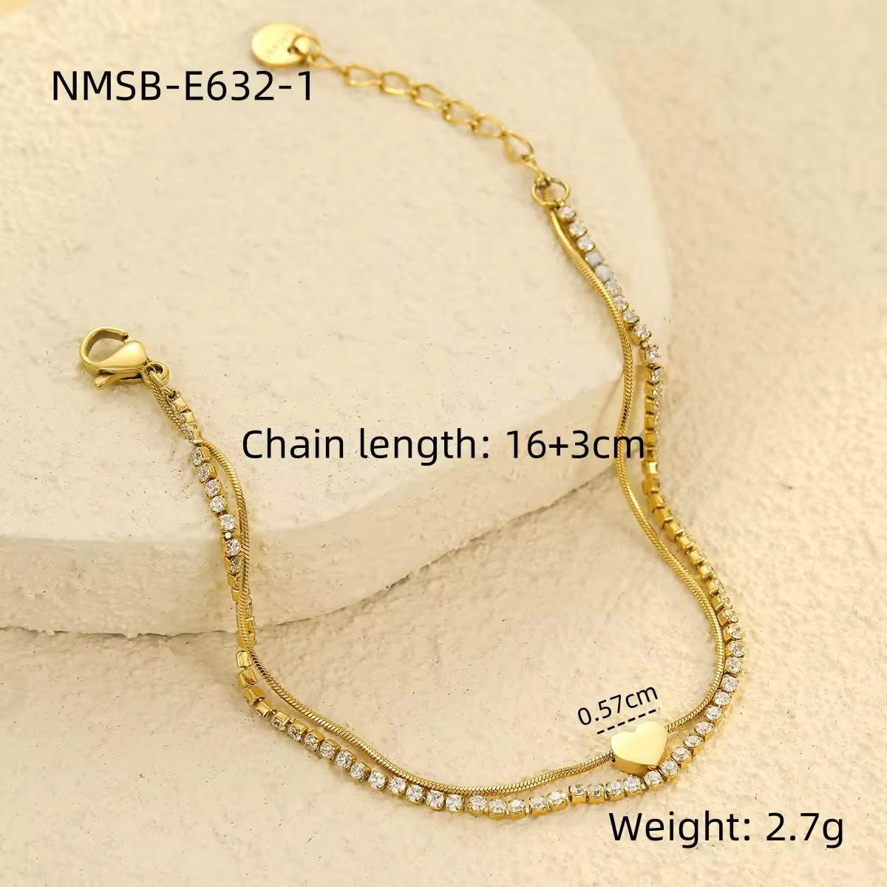 | DONE | Heart Tennis Bracelet | Celebrate timeless elegance with the Amora Heart Tennis Bracelet. Designed with a delicate dual-chain silhouette featuring a sparkling row of cubic zirconia and a sleek herringbone chain, this bracelet is beautifully finished with a polished heart charm at the center. Crafted from premium stainless steel with luxurious 18K Gold PVD plating, it is waterproof, tarnish-resistant, and hypoallergenic—making it perfect for everyday wear and special occasions. | Bracelet Length: 16 cm + 3 cm Adjustable Extension Heart Charm Size: 0.57 cm (5.7 mm) Weight: Approx. 2.7 g | Material: Premium Stainless Steel Plating: 18K Gold PVD Coating Stone: High-Quality Cubic Zirconia (CZ) Chain Type: Herringbone Chain + Tennis Chain Charm: Polished Heart Charm
 | DONE | Heart Tennis Bracelet | Express your love for timeless elegance with the Eterna Heart Tennis Bracelet. Featuring a dazzling row of round-cut cubic zirconia stones and a sparkling open-heart centerpiece, this bracelet blends classic sophistication with modern charm. Crafted from premium stainless steel and finished with luxurious 18K Gold PVD plating, it is waterproof, tarnish-resistant, and hypoallergenic—perfect for everyday wear, special occasions, or gifting. | Bracelet Length: 16 cm + 4.5 cm Adjustable Extension Heart Charm Size: 1.11 cm × 0.96 cm Weight: Approx. 3.0 g | Material: Premium Stainless Steel Plating: 18K Gold PVD Coating Stone: High-Quality Cubic Zirconia (CZ) Stone Shape: Round Brilliant Cut
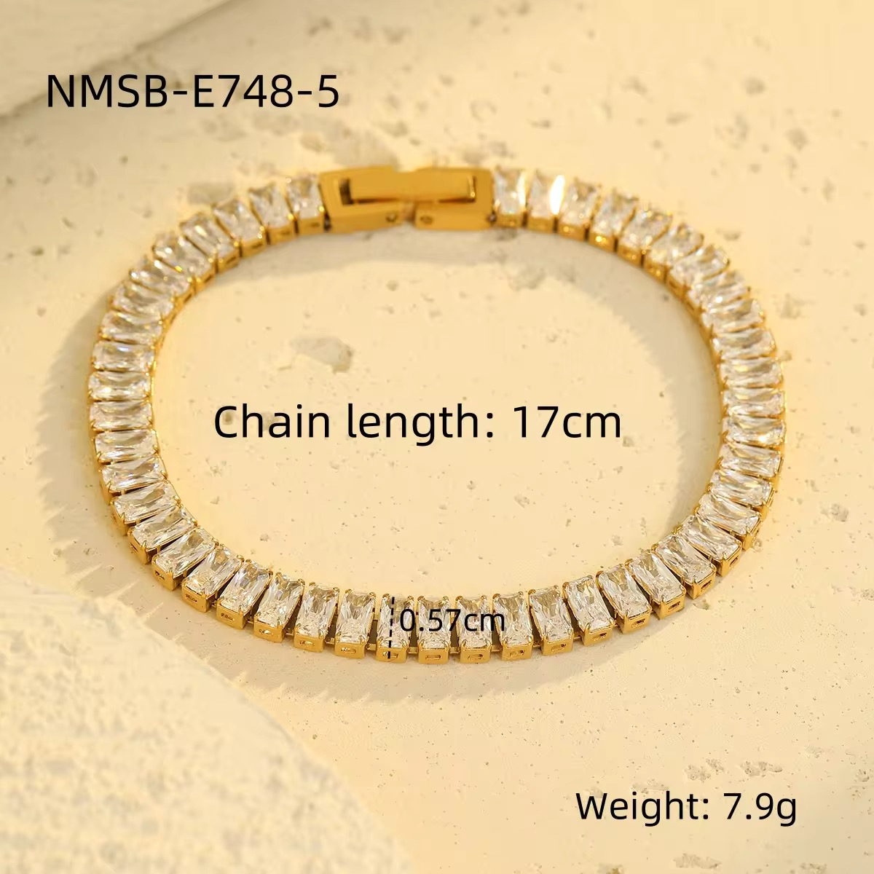 | DONE | Baguette Tennis Bracelet | Elevate your jewelry collection with the Regal Baguette Tennis Bracelet, a luxurious statement piece featuring a continuous row of dazzling baguette-cut cubic zirconia stones. Designed to reflect brilliance from every angle, this elegant bracelet combines timeless sophistication with modern craftsmanship. Made from premium stainless steel with a durable 18K Gold PVD finish, it is waterproof, tarnish-resistant, and hypoallergenic—perfect for both everyday luxury and special occasions. | Bracelet Length: 17 cm Bracelet Width: 0.57 cm (5.7 mm) Weight: Approx. 7.9 g | Material: Premium Stainless Steel Plating: 18K Gold PVD Coating Stone: High-Quality Cubic Zirconia (CZ) Stone Shape: Baguette Cut
 | DONE | Luna Beaded Tennis Bracelet | Elevate your everyday elegance with the Luna Beaded Tennis Bracelet. Featuring a brilliant row of round-cut cubic zirconia framed by polished gold beads, this bracelet offers a perfect balance of sparkle and sophistication. Crafted from premium stainless steel with luxurious 18K Gold PVD plating, it is waterproof, tarnish-resistant, and hypoallergenic—designed to complement every outfit from casual chic to evening glamour. | Bracelet Length: 16 cm + 4 cm Adjustable Extension Weight: Approx. 5.4 g | Material: Premium Stainless Steel Plating: 18K Gold PVD Coating Stone: High-Quality Cubic Zirconia (CZ) Stone Shape: Round Brilliant Cut
 | DONE | Amour Heart Tennis Bracelet | Celebrate elegance with the Amour Heart Tennis Bracelet, a timeless piece designed with a sparkling row of brilliant round-cut cubic zirconia stones and a delicate heart-shaped centerpiece. Crafted from premium stainless steel with luxurious 18K Gold PVD plating, this bracelet is waterproof, tarnish-resistant, and hypoallergenic. Its adjustable fit and classic silhouette make it perfect for everyday wear, romantic occasions, or thoughtful gifting. | Bracelet Length: 17 cm + 4 cm Adjustable Extension Bracelet Width: 2.5 mm Heart Charm Size: 0.6 cm (6 mm) Weight: Approx. 3.5 g | Material: Premium Stainless Steel Plating: 18K Gold PVD Coating Stone: High-Quality Cubic Zirconia (CZ) Stone Shape: Round Brilliant Cut
 | DONE | Imperial Crystal Luxe Bracelet | Add timeless elegance to your everyday style with the Imperial Crystal Luxe Bracelet . Featuring five rows of brilliant premium cubic zirconia stones set in luxurious 18K Gold PVD plated stainless steel, this bracelet delivers exceptional sparkle with a sophisticated finish. Designed to be waterproof, tarnish-resistant, and hypoallergenic, it's perfect for daily wear as well as special occasions. | Bracelet Length: 17 cm + 5 cm extension Bracelet Width: 0.6 cm (6 mm) Weight: 6.0 g | Base Metal: Stainless Steel Plating: 18K Gold PVD finish Stone: High-quality Cubic Zirconia (CZ)
 | DONE | Princess Cut Stud Earrings | Add timeless elegance to your everyday style with the Celeste Princess Cut Stud Earrings. Featuring a brilliant princess-cut cubic zirconia stone set in a classic four-prong setting, these minimalist studs offer exceptional sparkle with a sophisticated finish. Crafted from premium stainless steel with luxurious 18K Gold PVD plating, they are waterproof, tarnish-resistant, and hypoallergenic—perfect for daily wear or special occasions. | Stone: High-Quality Cubic Zirconia (CZ) Stone Shape: Princess Cut (Square) Stone Size: 6 mm × 6 mm (0.6 cm) Weight: Approx. 1.0 g (Pair) | Material: Stainless Steel Plating: 18K Gold PVD Finish
 | DONE
 | DONE
 | done | CHUNKY EAR CUFFS | These stylish ear cuffs a modern, chunky C-shaped slip-on design heavily encrusted with sparkling clear crystals. They are decorated with multiple rows of a dense pavé setting to give them maximum brilliance and a touch of everyday luxury. Made from high-quality stainless steel, they are fully waterproof, hypoallergenic, and won't tarnish, making them perfect for comfortable all-day wear. | Ear Cuff Height: 1.32 cm (0.52 in) Ear Cuff Width: 0.89 cm (0.35 in) Net Quantity: 1 Pair of Ear Cuffs Total Weight: 7.1g (0.25oz) | Base Metal: Stainless Steel Plating: 18K Gold PVD finish Stone: High-quality Cubic Zirconia (CZ)
 | done | V-SHAPED EAR CUFFS | These stylish ear cuffs a modern, split multi-row design shaped into a sleek V-point. They are decorated with rows of clear crystals to add a touch of everyday sparkle. Made from high-quality stainless steel, they are fully waterproof, hypoallergenic, and won't tarnish, making them perfect for comfortable all-day wear. | Ear Cuff Height: 1.25 cm (0.49 in) Ear Cuff Width: 0.50 cm (0.20 in) Net Quantity: 1 Pair of Ear Cuffs Total Weight: 3.4g | Base Metal: Stainless Steel Plating: 18K Gold PVD finish Stone: High-quality Cubic Zirconia (CZ)
 | done | THREE BAND EAR CUFFS | These stylish ear cuffs a modern, split-band design that creates a layered, double-hoop look. They are decorated with textured rows of highly polished gold beads to add a touch of unique, reflective shine. Made from high-quality stainless steel, they are fully waterproof, hypoallergenic, and won't tarnish, making them perfect for comfortable all-day wear. | Ear Cuff Height: 1.53 cm (0.60 in) Ear Cuff Width: 0.84 cm (0.33 in) Net Quantity: 1 Pair of Ear Cuffs Total Weight: 5.2g | Base Metal: Stainless Steel Plating: 18K Gold PVD finish
 | done | DOUBLE BAND EAR CUFFS | These stylish ear cuffs featured in a modern, split-band design that creates a layered, double-hoop look. They are decorated with textured rows of highly polished gold beads to add a touch of unique, reflective shine. Made from high-quality stainless steel, they are fully waterproof, hypoallergenic, and won't tarnish, making them perfect for comfortable all-day wear. | Ear Cuff Height: 1.53 cm (0.60 in) Ear Cuff Width: 0.84 cm (0.33 in) Net Quantity: 1 Pair of Ear Cuffs Total Weight: 4.0g (0.14oz) | Base Metal: Stainless Steel Plating: 18K Gold PVD finish
 | done | SNAKE ADJUSTABLE EAR CUFF | This stylish ear cuff featured in edgy design shaped into a coiled snake that wraps gracefully around the ear cartilage. It is decorated with an intricate, textured scale pattern along its body and a polished gold surface to add a touch of unique, eye-catching shine. Made from high-quality stainless steel, it is fully waterproof, hypoallergenic, and won't tarnish, offering an adjustable fit for secure, comfortable all-day wear without needing a piercing. | Ear Cuff Height: 2.8 cm (1.10 in) Inner Diameter: 1.03 cm (0.4 in) Size: Adjustable Total Weight: 1.7g | Base Metal: Stainless Steel Plating: 18K Gold PVD finish
 | done | CHUNKY EAR CUFFS | These stylish ear cuffs featured in a modern, chunky C-shaped slip-on design. They are decorated with a striking row of channel-set baguette-cut clear crystals running down the center to add a touch of everyday brilliance. Made from high-quality stainless steel, they are fully waterproof, hypoallergenic, and won't tarnish, making them perfect for comfortable all-day wear. | Ear Cuff Height: 1.36 cm (0.53 in) Ear Cuff Width: 0.58 cm (0.23 in) Net Quantity: 1 Pair of Ear Cuffs Total Weight: 3.8g | Base Metal: Stainless Steel Plating: 18K Gold PVD finish Stone: High-quality Cubic Zirconia (CZ)
 | done | TRIPLE BAND PEARL EAR CUFFS | These stylish ear cuffs featured in a modern, chunky multi-strand design that creates a layered, triple-hoop look. They feature two outer textured bands made of polished gold beads flanking a central row decorated with luminous white pearls to add a touch of elegant, vintage-inspired luxury. Made from high-quality stainless steel, they are fully waterproof, hypoallergenic, and won't tarnish, making them perfect for comfortable all-day wear. | Ear Cuff Height: 1.94 cm (0.76 in) Ear Cuff Width: 1.20 cm (0.47 in) Net Quantity: 1 Pair of Ear Cuffs Total Weight: 9.3g | Base Metal: Stainless Steel Plating: 18K Gold PVD finish Stone: Simulated Pearls
 | done | FRESHWATER PEARL EARRINGS | These stylish hoop earrings featured in a modern, textured huggie design with a hammered gold surface. They are decorated with a dangling charm crafted from alternating freshwater pearls and polished gold beads to add a touch of organic elegance and everyday luxury. Made from high-quality stainless steel, they are fully waterproof, hypoallergenic, and won't tarnish, making them perfect for comfortable all-day wear. | Hoop Outer Diameter: 1.19 cm (0.47 in) Pearl Charm Length: 1.43 cm (0.56 in) Pearl Charm Width: 1.42 cm (0.55 in) Net Quantity: 1 Pair of Earrings Total Weight: 4.6g | Base Metal: Stainless Steel Plating: 18K Gold PVD finish Stone: Freshwater Pearls
 | done | DOME HOOP EARRINGS | These stylish hoop earrings featured in a modern, minimalist huggie design with a thick, rounded dome silhouette. They feature a smooth, high-shine gold surface that reflects light beautifully for a clean, bold look. Made from high-quality stainless steel, they are fully waterproof, hypoallergenic, and won't tarnish, making them perfect for comfortable all-day wear. | Earring Diameter: 1.1 cm Earring Width: 0.41 cm Net Quantity: 1 Pair of Earrings Total Weight: 1.8g | Base Metal: Stainless Steel Plating: 18K Gold PVD finish
 | done | MULTI-COLOR GEMSTONE STUD EARRINGS COLLECTION | This vibrant collection showcases a beautiful array of colorful, dainty stud earrings in a variety of geometric shapes and cuts. The collection features assortment pairs including brilliant marquis-cut fiery orange and deep blue stones, classic round pearls, emerald green squares, princess-cut aquamarine squares, teardrop magenta pinks, elegant champagne rectangles, shimmering opals, and crisp triangular cuts in amethyst purple and peridot green. Made from high-quality stainless steel, they are fully waterproof, hypoallergenic, and won't tarnish, making them perfect for mixing, matching, and personalizing your daily multi-piercing ear stack. | Net Quantity: 1 Pair of Earrings Total Weight: As per the attached image | Base Metal: Stainless Steel Plating: 18K Gold PVD finish Stone: Simulated Pearl, Shimmering Synthetic Opal, and Multi-Color Cubic Zirconia (CZ)
 | done
 | done
 | done
 | done
 | done
 | done
 | done
 | done
 | done
 | done
 | done
 | done | WIRE FLOWER DROP EARRINGS | These stylish dropdown earrings featured in abstract flower design crafted from finely sculpted gold wire loops. They are accented by long, elegantly cascading fine-link chains that drop from the central knot to add a touch of dramatic movement and contemporary charm. Made from high-quality stainless steel, they are fully waterproof, hypoallergenic, and won't tarnish, making them perfect for comfortable all-day wear. | Total Earring Length: 10.0 cm (3.94 in) Earring Width: 4.84 cm (1.90 in) Net Quantity: 1 Pair of Earrings Total Weight: 9.5g | Base Metal: Stainless Steel Plating: 18K Gold PVD finish
 | DONE | TASEL DROPDOWN EARRINGS | These stylish dropdown hoop earrings featured in a modern huggie design paired with a dramatic, flowing tassel. They are decorated with multiple cascading strands of polished gold beads that catch the light beautifully with every movement, adding a touch of sophisticated drama and everyday luxury. Made from high-quality stainless steel, they are fully waterproof, hypoallergenic, and won't tarnish, making them perfect for comfortable all-day wear. | Total Earring Length: 7.81 cm (3.07 in) Hoop Width: 0.69 cm (0.27 in) Net Quantity: 1 Pair of Earrings Total Weight: 9.6g | Base Metal: Stainless Steel Plating: 18K Gold PVD finish
 | DONE | TEXTURED DOUBLE BUTTERFLY EARRINGS | These stylish statement earrings a charming, nature-inspired design showcasing a large and a small butterfly gracefully overlapping. They are crafted with intricate, highly detailed textures on the wings and a polished gold surface to add a touch of elegant, reflective shine. Designed for a bold yet graceful look, they make a perfect, eye-catching addition to any outfit. | Earring Length: 3.93 cm Earring Width: 3.21 cm Net Quantity: 1 Pair of Earrings Total Weight: 13.52g | Base Metal: High-quality Metal Plating: Gold finish

 | DONE | MIXED STUD EARRINGS SET | This stylish earring set featured in a curated collection of three pairs of mix-and-match stud earrings. The set includes minimalist solitaire round studs, charming beaded flower studs with crystal centers, and elegant three-leaf lotus clusters featuring marquise-cut clear crystals. Made from high-quality stainless steel, they are fully waterproof, hypoallergenic, and won't tarnish, making them perfect for comfortable all-day wear and multi-piercing styling. | Round Stud Size: 0.38 cm Flower Stud Size: 0.6 cm Lotus Stud Size: 1.01 cm Net Quantity: 3 Pairs of Stud Earrings Individual Weights: 0.41g / 0.64g / 1.39g | Base Metal: Stainless Steel Plating: 18K Gold PVD finish Stone: High-quality Cubic Zirconia (CZ)
 | DONE | HAMMERED HOOPS & MIXED STUD EARRINGS SET | This stylish multi-piercing earring set features a versatile, elegant mix of designs perfect for creating a curated ear stack. The set includes a pair of classic huggie hoop earrings with a textured, hammered surface that beautifully catches the light, a pair of minimalist, luminous simulated pearl stud earrings, and a pair of delicate three-stone trinity clusters featuring sparkling round-cut clear crystals. Made from high-quality stainless steel, they are fully waterproof, hypoallergenic, and won't tarnish, ensuring comfortable all-day wear. | Jewelry Type: Earring Set Net Quantity: 3 Pairs of Earrings (1 Pair Huggies, 2 Pairs Studs) Net Quantity: 3 Pairs of Stud Earrings Total Weights: 2.5g | Base Metal: Stainless Steel Plating: 18K Gold PVD finish Stone: Simulated Pearl and High-quality Cubic Zirconia (CZ)
 | DONE | STAR & BOW STUD EARRINGS SET | This stylish earring set a curated collection of three pairs of playful, mix-and-match stud earrings. The set features delicate open-loop ribbon bows, textured puffy stars accented with a sparkling center crystal, and minimalist high-shine ball studs. Made from high-quality stainless steel, they are fully waterproof, hypoallergenic, and won't tarnish, adding a touch of youthful charm to your daily look. | Bow Stud Size: 0.82 cm Star Stud Size: 1.3 cm Ball Stud Size: 0.4 cm Net Quantity: 3 Pairs of Stud Earrings Individual Weights: 3.0g / 1.2g / 0.73g | Base Metal: Stainless Steel Plating: 18K Gold PVD finish
 | DONE | CROWN EARRINGS SET | This stylish multi-piercing earring set a versatile mix of classic and statement designs. The set includes a pair of minimalist, thick-band huggie hoops, a pair of elegant crown-shaped clusters featuring sparkling marquise-cut clear crystals, and a pair of sweet, textured heart studs. Made from high-quality stainless steel, they are fully waterproof, hypoallergenic, and won't tarnish, allowing you to easily personalize your ear stack. | Huggie Diameter: 1.10 cm (0.43 in) Crown Stud Size: 1.17 cm (0.46 in) Heart Stud Size: 0.49 cm (0.19 in) Net Quantity: 3 Pairs of Earrings (1 Pair Huggies, 2 Pairs Studs) Total Weight: 3.8g | Base Metal: Stainless Steel Plating: 18K Gold PVD finish Stone: High-quality Cubic Zirconia (CZ)
 | DONE | MIXED PEARL STUD EARRINGS SET | This stylish earring set featured in a curated collection of three pairs of mix-and-match stud earrings. The set includes floral-inspired halos with a luminous central pearl surrounded by sparkling clear crystals, playful open-work star studs, and minimalist high-shine ball studs. Made from high-quality stainless steel, they are fully waterproof, hypoallergenic, and won't tarnish, making them perfect for comfortable all-day wear and multi-piercing styling. | Pearl Halo Stud Size: 0.97 cm Star Stud Size: 0.75 cm Ball Stud Size: 0.39 cm Net Quantity: 3 Pairs of Stud Earrings Individual Weights: 1.24g / 0.74g / 0.61g | Base Metal: Stainless Steel Plating: 18K Gold PVD finish Stone: Simulated Pearl and High-quality Cubic Zirconia (CZ)
 | DONE | SOLITAIRE CZ STUD EARRINGS SET | This stylish earring set featured in a curated collection of three pairs of classic solitaire stud earrings in graduated sizes. Each pair features brilliant round-cut clear crystals held securely in elegant multi-prong basket settings to maximize light reflection. Made from high-quality stainless steel, they are fully waterproof, hypoallergenic, and won't tarnish, making them perfect for creating a seamless, stacked ear look. | Large Stud Size: 0.81 cm Medium Stud Size: 0.63 cm Small Stud Size: 0.43 cm Net Quantity: 3 Pairs of Stud Earrings Individual Weights: 0.85g / 0.47g / 0.17g | Base Metal: Stainless Steel Plating: 18K Gold PVD finish Stone: High-quality Cubic Zirconia (CZ)
 | DONE | DROP HUGGIE & STUD EARRINGS SET | This stylish multi-piece earring set includes a pair of classic huggie hoops with dangling round-cut crystal charms, alongside two pairs of coordinating solitaire stud earrings in graduated sizes. Each crystal is held in a secure prong setting, offering maximum brilliance for a perfectly curated, everyday stack. Made from high-quality stainless steel, they are fully waterproof, hypoallergenic, and won't tarnish, making them perfect for comfortable all-day wear. | Huggie Outer Diameter: 1.2 cm (0.48 in) Dangling Crystal Size: 0.81 cm (0.32 in) Large Stud Size: 0.65 cm (0.25 in) Small Stud Size: 0.4 cm (0.15 in) Net Quantity: 3 Pairs of Earrings (1 Pair Huggies, 2 Pairs Studs) Total Weight: 2.5g | Base Metal: Stainless Steel Plating: 18K Gold PVD finish Stone: High-quality Cubic Zirconia (CZ)
 | already at website, only price chang

 | already at website, only price chang and add on other colour

 |  | ROSE STUD | These stylish stud earrings 3D floral design sculpted into a beautiful blooming rose. They are designed with detailed overlapping petals and a polished center to add a touch of elegant, vintage-inspired shine. Made from high-quality stainless steel, they are fully waterproof, hypoallergenic, and won't tarnish, making them perfect for comfortable all-day wear. | Earring Size: 1.01 cm Net Quantity: 1 Pair of Earrings Total Weight: 4.3g | Base Metal: Stainless Steel Plating: 18K Gold PVD finish
This order by somany

